Project Info
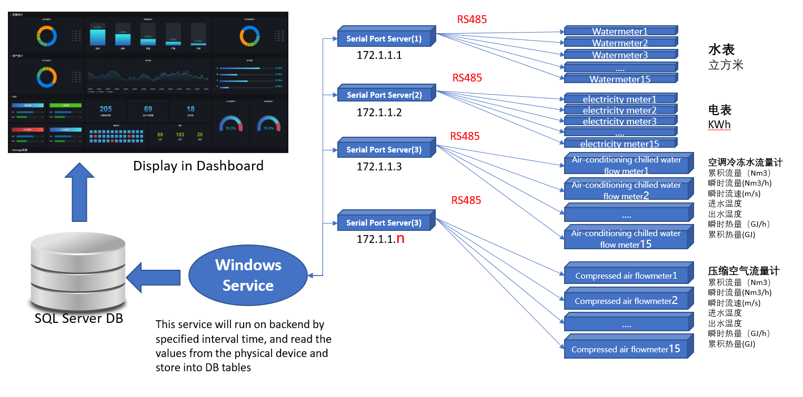
System Architecture

Project Code
Full Name | CKW （Champion Kaizen Workshop)
Prefix | LN

